Problem 1
Problem 1 (2 pts)
Given:
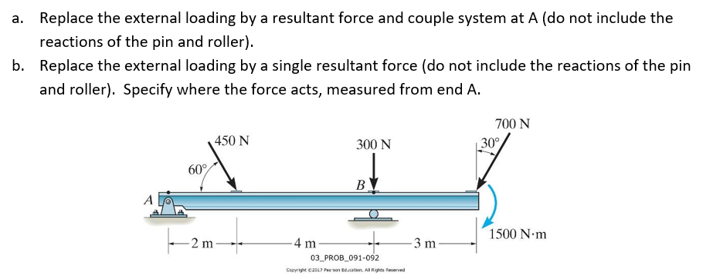

 | I | j | len | Unit
|F1| |  |  | 450 | N
|F2| |  |  | 300 | N
|F3| |  |  | 700 | N
F1 | 225 | -389.7114317 |  | <N>
F2 | 0 | 300 |  | <N>
F3 | -350 | 606.21778265

Find:
a. Replace the external loading by a resultant force (magnitude and angle) and
couple system at A (do not include the reactions of the pin and roller).
SHOW YOUR WORK! Use equations in the cells to find your intermediate and final solutions.

Based on above equations input the calculations for your solutions below. Don't forget the units.
Description | Calculation | Units
Resultant Force, FR
Angle of Force, q
Resultant Couple, MRA

b. Replace the external loading by a single resultant force (do not include the
reactions of the pin and roller). Specify where the force acts, measured from end A.
SHOW YOUR WORK! Use equations in the cells to find your intermediate and final solutions.

Based on above equations input the calculations for your solutions below. Don't forget the units.
Description | Calculation | Units
Resultant Force Location, x

Problem 2
Problem 2 (2 pts)
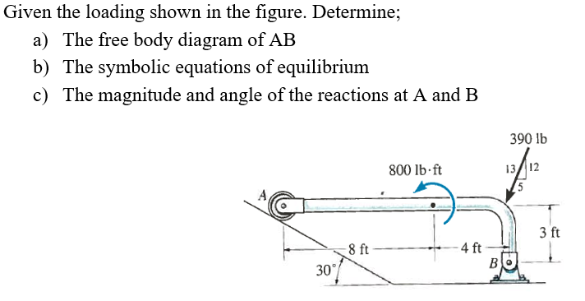

Inputs:

Find
a) The free body diagram of AB. Also note the assumptions.
Assume:

b) The symbolic equations of equilibrium

c) The magnitude and angle of the reactions at A and B
Based on above equations input the calculations for your solutions below. Don't forget the units.
Description | Calculation | Units
A =
Bx =
By =

Magnitude B =
Theta B =

Problem 3
Problem 3 (2 pts)
Given:
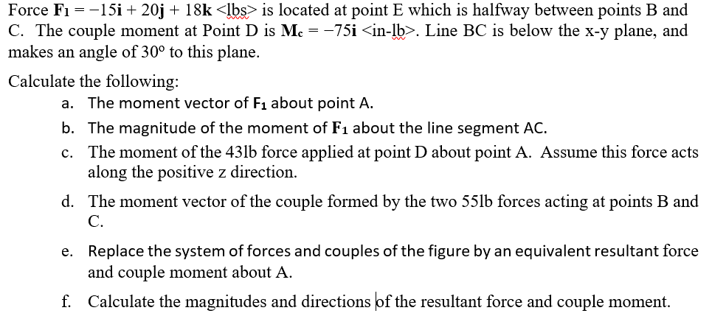

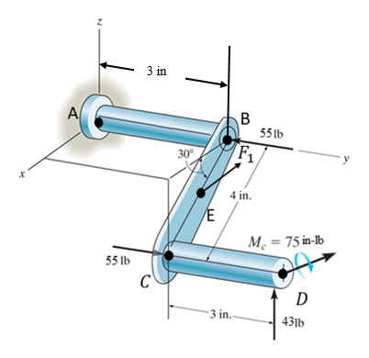

Inputs:
Inputs: | “i” | j | k | Unit
F1 | -15 | 20 | 18 | lbs
Couple forc, B and C | 0 | 55 | 0 | lbs
FD | 0 | 0 | 43 | lbs
Mc | -75 | 0 | 0 | lb.in
B | 0 | 3 | 0 | in | BC angle | 30 | deg
C | 3.4641016151 | 3 | -2 | in
E | 1.7320508076 | 3 | -1 | in
D | 3.4641016151 | 6 | -2 | in

Find:
a. The moment vector of F1 about point A.
MF1 = rAE x F1
RAE = | 1.7320508076 | 3 | -1
MF1 = | I | j | k
 | 1.7320508076 | 3 | -1
 | -15 | 20 | 18

Based on above equations input the calculations for your solutions below. Don't forget the units.
Description | Calculation | Calculation | Calculation | Units
 | i | j | k
Moment, MA1 | 74.00 | -16.18 | 79.641016151

b. The magnitude of the moment of 𝐅𝟏 about the line segment AC.
|F1| = MF1 dot eAC
EAC = rAC/|eAC|
|eAC| = | 5 | in
eAC | 0.34641016151 | 0.6 | -0.2 | <in>
|F1| = | 0 | in

Based on above equations input the calculations for your solutions below. Don't forget the units.
Description | Calculation | Units
Magnitude of Moment, MAC

c. The moment of the 43lb force applied at point D about point A. Assume this force acts along the positive z direction.

Based on above equations input the calculations for your solutions below. Don't forget the units.
Description | Calculation | Calculation | Calculation | Units
 | i | j | k
Moment, MAD

d. The moment vector of the couple formed by the two 55lb forces acting at points B and C.

Based on above equations input the calculations for your solutions below. Don't forget the units.
Description | Calculation | Calculation | Calculation | Units
 | i | j | k
Couple Moment, C

e. Replace the system of forces and couples of the figure by an equivalent resultant force and couple moment
about A.

Based on above equations input the calculations for your solutions below. Don't forget the units.
Description | Calculation | Calculation | Calculation | Units
 | i | j | k
Resultant Force, FR
Resultant Couple Moment, MRA

f. Calculate the magnitudes and directions of the resultant force and couple moment.

Input the calculations for your solutions below. Don't forget the units.
Description | Calculation | Units
Mag. Resultant Force, FR
Mag. Result. Couple Moment, MRA
Force Direction Angle, qx
Force Direction Angle, qy
Force Direction Angle, qz
Moment Direction Angle, qx
Moment Direction Angle, qy
Moment Direction Angle, qz

Problem 4
Problem 4 (2 pts)
Given:
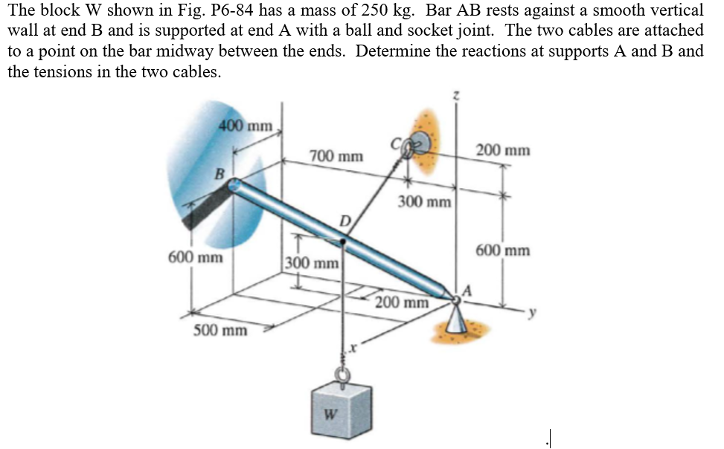

Inputs:

FBD and assumptions

 | i | j | k
A
B
C
D

Equilibrium Equations
rAB
rAC
rAD
rCD
mag rCD
eCD

åF:
Eqn 1 - åFx: | Ax + TDCx = 0
Eqn 2 - åFy: | AY + TDCy + B = 0
Eqn 3 - åFz: | Az + TDCz + W = 0

åMA:

 | i | j | k
 |  |  |  |  | +

 | i | j | k
 |  |  |  |  | +

 | i | j | k
 |  |  |  | = | 0

Eqn 4 - åMx: |  | TCD + |  | + |  | = 0
Eqn 5 - åMy: |  | TCD + |  | B + |  | = 0
Eqn 6 - åMz: |  | TCD + |  | + |  | = 0

Solve for Reactions at A and B and for TCD, Magnitudes and Vectors. Use RREF or substitution.

Augmented Matrix for RREF
 |  |  |  |  |  |  | b
i
j
k
i
j
k

Based on above equations input the calculations for your solutions below. Don't forget the units.
Description | Calculation | Units |  | i | j | k | Units
||TCD|| = |  |  | TCD=
||A|| = |  |  | A =
||B|| = |  |  | B =

